Sheet1
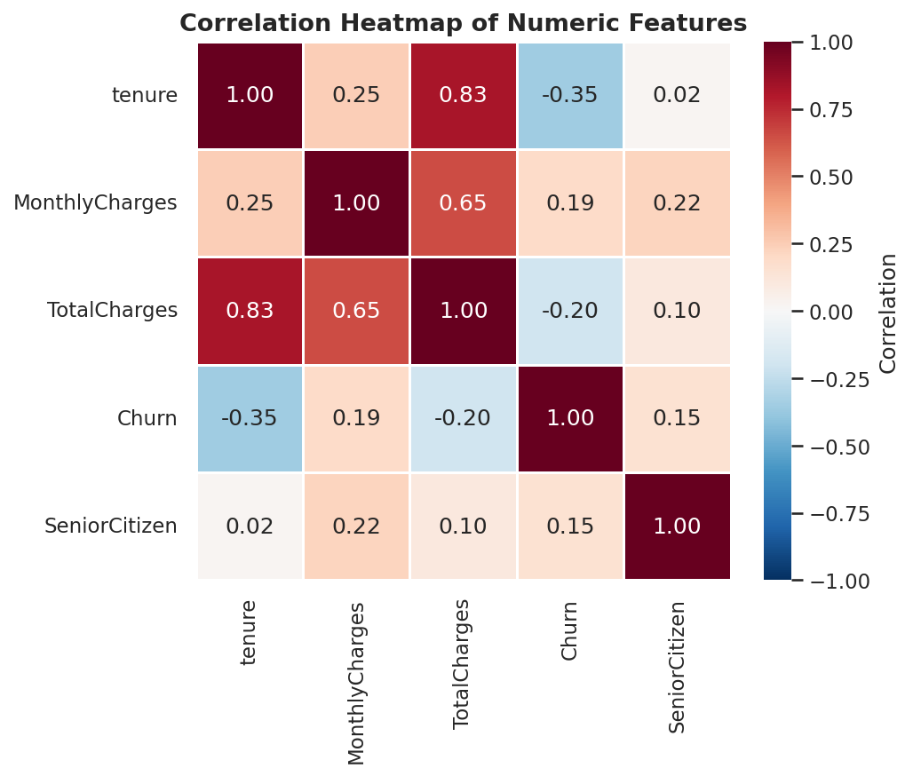
Count of Churn | Column Labels
Row Labels | No | Yes | Grand Total
Month-to-month | 2220 | 1655 | 3875
One year | 1307 | 166 | 1473
Two year | 1647 | 48 | 1695
Grand Total | 5174 | 1869 | 7043

month-to-month churn rate: | 42.709677419
one year churn rate: | 11.26951799
two year churn rate: | 2.8318584071 |  |  | Contract | Churn rate (%)
 |  |  |  | month-to-month | 42.7
 |  |  |  | one year | 11.3
 |  |  |  | two year | 2.8

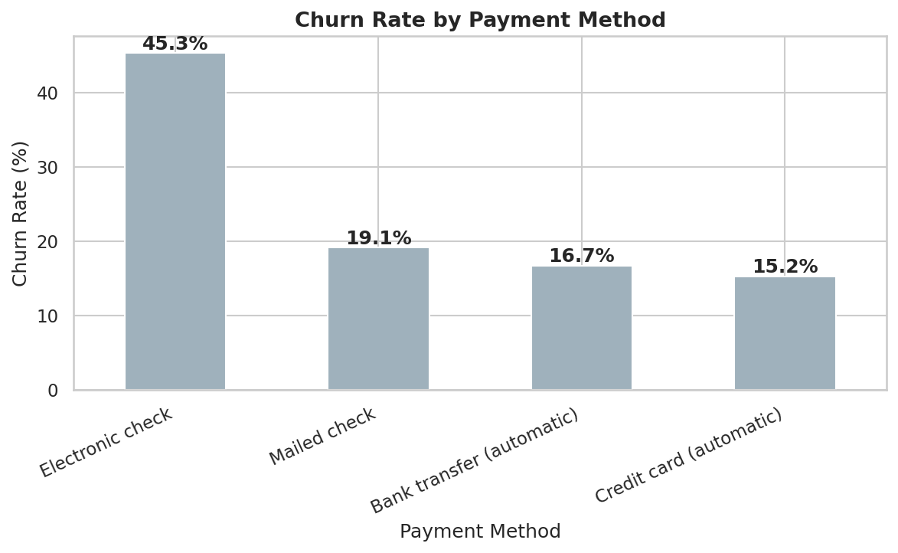

contract | Churn rate
month-to-month | 42.7
one year | 11.3
two year | 2.8

pie chart
Overall Customer Churn Distribution
 |  | churn | count
 |  | Yes | 1869
 |  | No | 5174
DSL
Fiber optic
No
Grand Total

contract | customers
month-to-month | 3875
one year | 1473
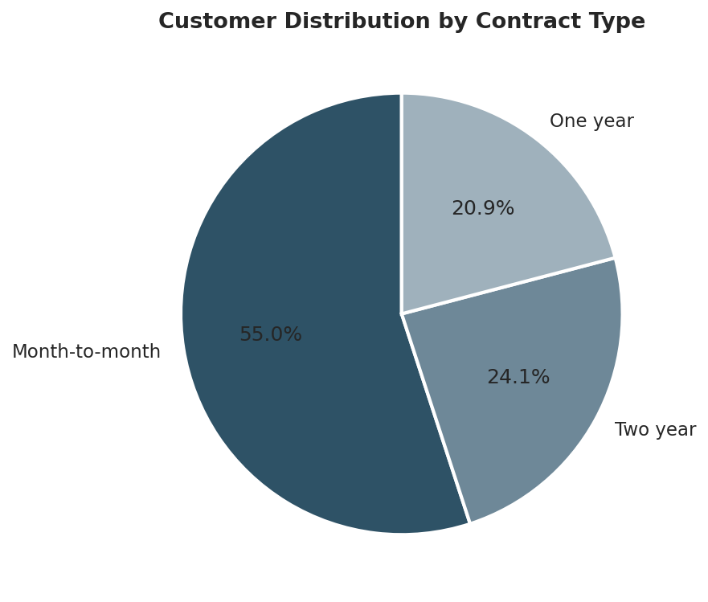
two year | 1695

Sheet5
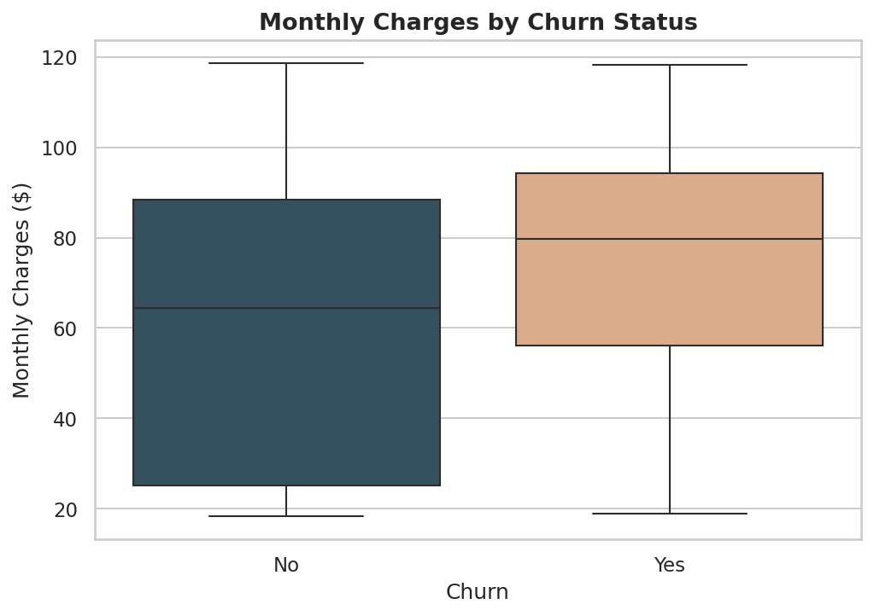
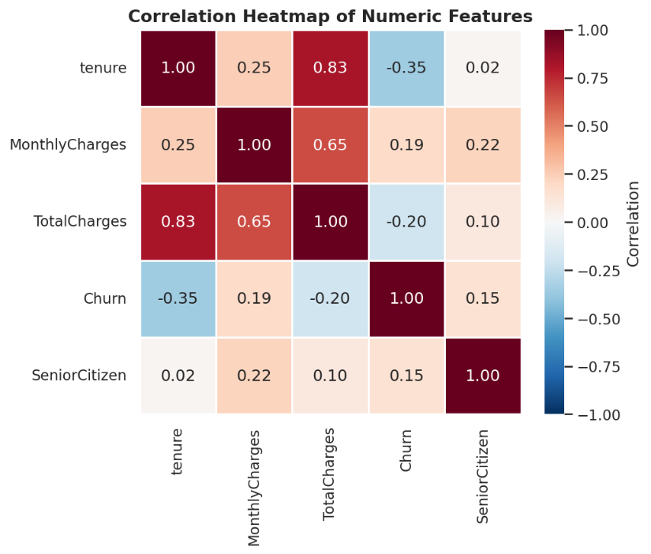
Count of Churn | Column Labels
Row Labels | No | Yes | Grand Total
DSL | 1962 | 459 | 2421
Fiber optic | 1799 | 1297 | 3096
No | 1413 | 113 | 1526
Grand Total | 5174 | 1869 | 7043
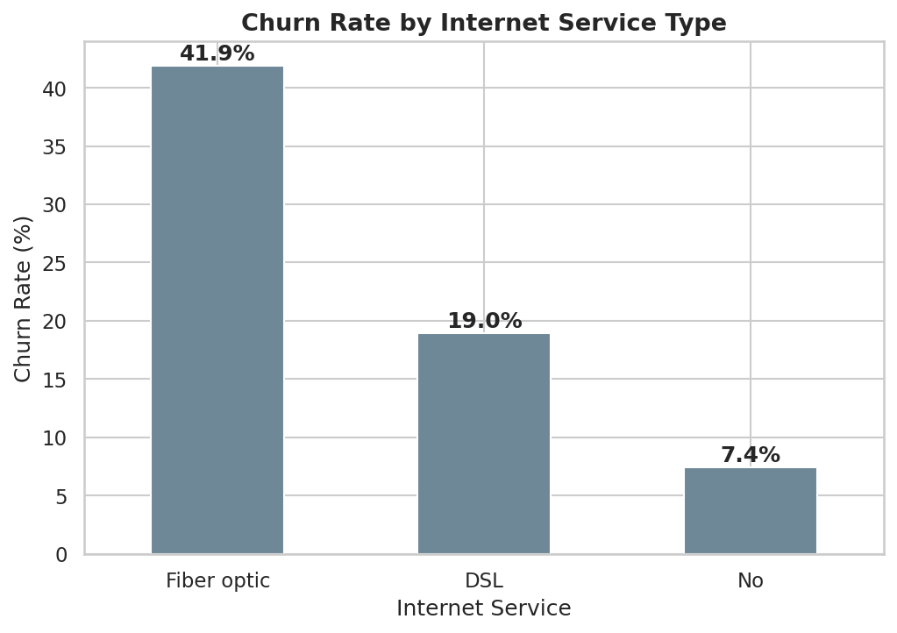

18.959107807
41.892764858 |  | internetservice | Churn rate
7.4049803408 |  | DSL | 18.9
 |  | Fiber optic | 41.8
 |  | No | 7.4

Sheet6
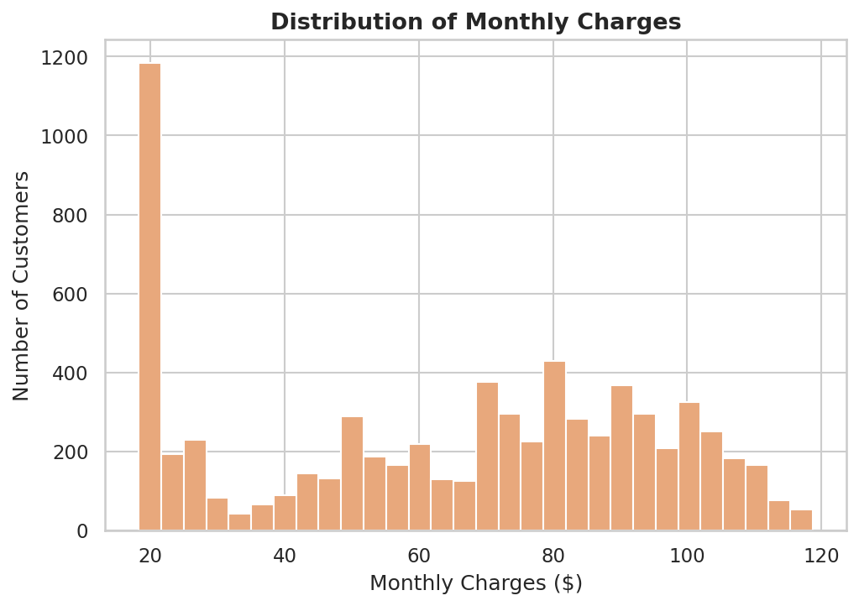
Count of Churn | Column Labels
Row Labels | No | Yes | Grand Total
Bank transfer (automatic) | 1286 | 258 | 1544
Credit card (automatic) | 1290 | 232 | 1522
Electronic check | 1294 | 1071 | 2365
Mailed check | 1304 | 308 | 1612
Grand Total | 5174 | 1869 | 7043

16.70984456
15.243101183 |  | payment method | Churn rate
45.285412262 |  | Bank Transfer | 16.7
19.106699752 |  | Credit card | 15.2
 |  | Electronic check | 45.2
 |  | Mailed check | 19.1

